Cover Page
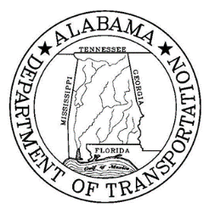 State of Alabama Department of Transportation Master Agreement

CONTRACT INFORMATION
MASTER AGREEMENT NUMBER: |  | 26-014
Begin Date: | 2026-04-16
Expiration Date: | 2027-04-15

CONTRACT DESCRIPTION
On call guardrail and cable rail repair in the Birmingham Area for Jefferson, Blount, St. Clair and Shelby Counties

VENDOR INFORMATION
Name/Address: |  |  | Contact:
Alabama GuardRail, Inc VC000053423 |  |  | J. Keith Dillard
PO Box 126 Cleveland AL 35049 |  |  | 205-625-3880 PHONE
 |  |  | 205-625-3879 FAX

