Flow Chart
 |  |  |  |  |  |  | Peak Flow
Legend
WS-Weather Station |  |  |  |  |  |  |  |  |  |  | Flood Regions Sheet |  |  | 2010 Urban regression equations sheet
Select Region 1, 2 or 4. For region 3 use a rural regression equation.
Enter DA ,PD
Read urban flows
DA- Drainage area
Use 2010 Urban Regression Equations sheet
PD- percent developed
AOI- Area of interest
IA- Impervious area
tc time of concentration
S-slope of 10-85% of flow path
LT-lag time |  |  |  |  |  |  |  | Yes
PD < 20 % DA > 5 sq mi
 |  |  |  |  |  | Percent Developed, |  |  |  |  |  |  |  |  |  |  |  |  | 2020 large rural regression
Calculate PD
 |  |  |  |  |  | P.D. sheet |  |  |  |  |  |  |  |  |  | Flood Regions Sheet |  |  |  | Eq. sheet
Use Regression Equation
Use 2020 Large Rural Regression Eqs. sheet
Enter DA , then read large rural flows for that region.
Map or Plan Sheets
Select Region 1 ,2 3 or 4
 |  |  |  | Yes |  |  |  |  | No |  |  | Yes

Drainage Area > 200 Acres

Measure Drainage Area
 |  |  |  |  |  |  |  |  |  | No
 |  |  |  |  |  |  |  |  |  |  |  |  |  |  |  |  | 2020 Small rural regression Eq.sheet
PD < 20 %
DA ≤ 5 mi²
Use 2020 Small Rural Regression Eqs. sheet
Enter DA
Read small rural flows

Use Rational Equation
Measure start and stop elevations and lengths for overland flow & channel flow.
S
Select tc modifiers
Fill out path tables and select flow path with the longest flow time (t_{c})
 |  |  |  |  |  |  |  |  |  |  |  |  | Plansheet or
 |  |  |  | No |  |  |  |  |  |  |  | Terrain Navigator Pro |  |  |  |  | Kirpich tc sheet
 |  |  |  |  |  |  |  |  | Map or plan sheet
Determine time of Concentration tc
Draw flow path or paths

Peak Flow
Determine runoff coeficient C
 |  |  |  |  |  |  |  |  |  |  |  |  |  |  |  |  |  | .A
Table 3.1 of HEC 22 or Table 4.4 of Hydraulic Manual

Determination of Runoff Coefficient C with the Web Soil Survey
Make AOI of area. Read soil map units hydrologic soil groups.
Calculate IA
(acres)
Determine impervios areas C
 |  |  | Design Bureau
 |  |  | Hydraulic Resources webpage |  | Web Soil Survey |  | Impervious area, IA, sheet
 |  |  |  |  |  |  |  |  |  |  |  | z

Soil Runoff coefficients from Table 4-4 of Hydraulic Manual
Enter area
Enter C
Enter tc
Read flows
Calculate flows
 |  |  |  |  |  |  |  |  |  |  |  |  |  |  |  | Select Rational Method Runoff Value sheet
 |  |  |  |  |  |  |  |  | Composite C sheet
Determine Soil Map units C values.
Calculate overall C

 |  |  |  |  |  |  | Hydrographs

Is upstream storage a consideration?
Use Peak Flows from Peak Flow Chart Above
Is Rational method used for peak flow?
 |  |  |  |  |  |  |  |  |  | Hydrograph sheet |  |  |  | Runoff Volume Sheet
Enter return period, peak flow and LT (as tc) from WS sheet. Read Hydrograph
Enter Return period, t_{c} , Peak flow & DA. Read total volume & direct runoff
 |  | Yes |  |  |  |  |  | Yes

 | No
 |  |  |  |  |  | No
 |  |  |  | 10 -85 % Slope sheet
Hydrograph not needed
Determine 10 - 85 % channel slope, S
 |  |  |  | 10 -85 % Slope sheet

Urban Area
Determine Impervious Area, IA %
Check DA, S, & IA % ranges for LT equation
Enter S & IA %, Read LT & estimated volume.
Enter peak flow and LT- Read Hydrograph
Enter peak flow, LT & DA. Read total volume & direct runoff
 |  |  |  |  |  |  | 2010 Urban Regression |  | 2010 Urban Regression
 |  |  |  |  |  | IA sheet | Equations sheet |  | Equations sheet |  |  | Hydrograph sheet |  |  |  |  | Runoff volume sheet
 |  |  |  |  | Yes

 |  |  |  | No

Large rural area
 |  |  |  |  |  |  |  | 2020 Large Rural Regression |  | 2020 Large Rural Regression
 |  |  |  |  |  | Flood regions sheet |  | Equations Sheet |  | Equations Sheet |  |  |  |  | Hydrograph sheet |  |  |  | Runoff volume sheet
Observe if area is North or South of Fall line
Check DA and S Ranges
Enter DA, read peak flow, then enter DA, 10-85% channel slope at proper location and read lag time.
Enter peak flow, LT & DA. Read total volume & direct runoff
Enter return period, peak flow, LT and DA. - Read Hydrograph
 |  |  |  |  | Yes

 |  |  |  | No
Hydrographs |  |  |  |  |  | 2020 Small Rural Regression |  | 2020 Small Rural Regression
 |  |  |  | Flood regions sheet |  | Equations Sheet |  | Equations Sheet |  |  |  | Hydrograph sheet |  |  |  |  | Runoff volume sheet
Observe if area is North or South of Fall Line
Check DA and S Ranges
Determine lag time from location, 10 - 85% channel slope, and DA
En-ter return period, peak flow and LT- Read Hydrograph
Enter peak flow, LT & DA. Read total volume & direct runoff

Flood Regions
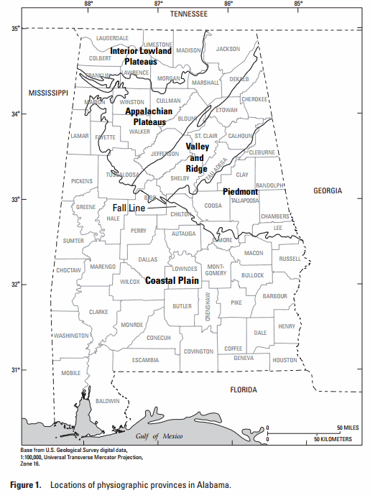
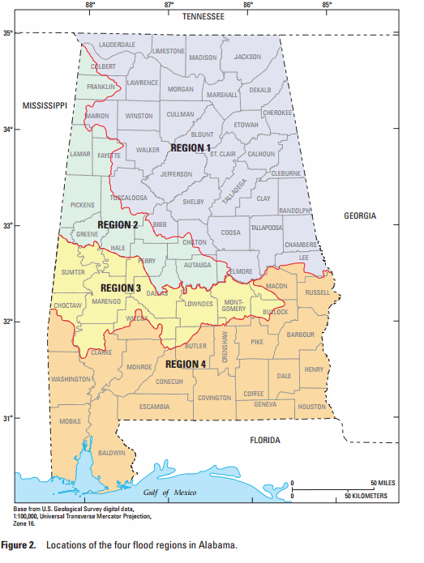
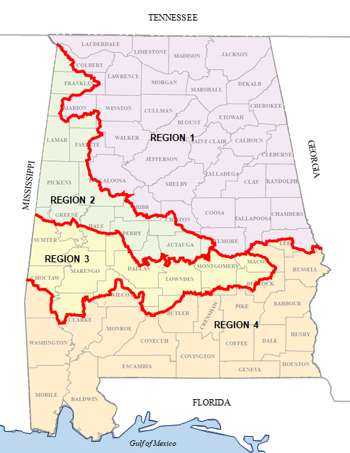

 | Magnitude and Frequency of Floods in Alabama, 2015; USGS
 | https://pubs.er.usgs.gov/publication/sir20205032
This is from 2003. Is to be used for Urban Regression. | This is from 2015. Is to be used for Rural Regression.

Hydrograph
 |  | Hydrograph

Project No. |  | Time ratio | Discharge | Time | Time | Flow
County | Elmore | t/LT | ratio
Location: | Near Seman |  | Q/Qp | min | hrs | cfs
Highway | Little Steel Bridge Road | 0.25 | 0.12 | 32.550 | 0.543 | 116.76
Station |  | 0.30 | 0.16 | 39.060 | 0.651 | 155.68
Hydrograph
Stream: | Strearns Creek | 0.35 | 0.21 | 45.570 | 0.760 | 204.33
Date run: | dr | 0.40 | 0.26 | 52.080 | 0.868 | 252.98
Run By |  | 0.45 | 0.33 | 58.590 | 0.977 | 321.09
 |  | 0.50 | 0.40 | 65.100 | 1.085 | 389.20
Return period (yr) | 50 | 0.55 | 0.49 | 71.610 | 1.194 | 476.77
Peak Flow, Q (cfs) | 973 | 0.60 | 0.58 | 78.120 | 1.302 | 564.34
LT or tc (min) | 130.2 | 0.65 | 0.67 | 84.630 | 1.411 | 651.91
LT (hr) | 2.17 | 0.70 | 0.76 | 91.140 | 1.519 | 739.48
DA (acres) | 838.4 | 0.75 | 0.84 | 97.650 | 1.628 | 817.32
DA (sq mi) | 1.3100 | 0.80 | 0.90 | 104.160 | 1.736 | 875.70
 |  | 0.85 | 0.95 | 110.670 | 1.844 | 924.35
 |  | 0.90 | 0.98 | 117.180 | 1.953 | 953.54
 |  | 0.95 | 1.00 | 123.690 | 2.061 | 973.00
 |  | 1.00 | 0.99 | 130.200 | 2.170 | 963.27
 |  | 1.05 | 0.96 | 136.710 | 2.279 | 934.08
 |  | 1.10 | 0.92 | 143.220 | 2.387 | 895.16
 |  | 1.15 | 0.86 | 149.730 | 2.496 | 836.78
 |  | 1.20 | 0.80 | 156.240 | 2.604 | 778.40
 |  | 1.25 | 0.74 | 162.750 | 2.713 | 720.02
 |  | 1.30 | 0.68 | 169.260 | 2.821 | 661.64
 |  | 1.35 | 0.62 | 175.770 | 2.930 | 603.26
 |  | 1.40 | 0.56 | 182.280 | 3.038 | 544.88
 |  | 1.45 | 0.51 | 188.790 | 3.146 | 496.23
 |  | 1.50 | 0.47 | 195.300 | 3.255 | 457.31
 |  | 1.55 | 0.43 | 201.810 | 3.364 | 418.39
 |  | 1.60 | 0.39 | 208.320 | 3.472 | 379.47
 |  | 1.65 | 0.36 | 214.830 | 3.581 | 350.28
 |  | 1.70 | 0.33 | 221.340 | 3.689 | 321.09
 |  | 1.75 | 0.30 | 227.850 | 3.798 | 291.90
 |  | 1.80 | 0.28 | 234.360 | 3.906 | 272.44
 |  | 1.85 | 0.26 | 240.870 | 4.015 | 252.98
 |  | 1.90 | 0.24 | 247.380 | 4.123 | 233.52
 |  | 1.95 | 0.22 | 253.890 | 4.232 | 214.06
 |  | 2.00 | 0.20 | 260.400 | 4.340 | 194.60
 |  | 2.05 | 0.19 | 266.910 | 4.448 | 184.87
 |  | 2.10 | 0.17 | 273.420 | 4.557 | 165.41
 |  | 2.15 | 0.16 | 279.930 | 4.666 | 155.68
 |  | 2.20 | 0.15 | 286.440 | 4.774 | 145.95
 |  | 2.25 | 0.14 | 292.950 | 4.883 | 136.22
 |  | 2.30 | 0.13 | 299.460 | 4.991 | 126.49
 |  | 2.35 | 0.12 | 305.970 | 5.100 | 116.76
 |  | 2.40 | 0.11 | 312.480 | 5.208 | 107.03

